Introduction
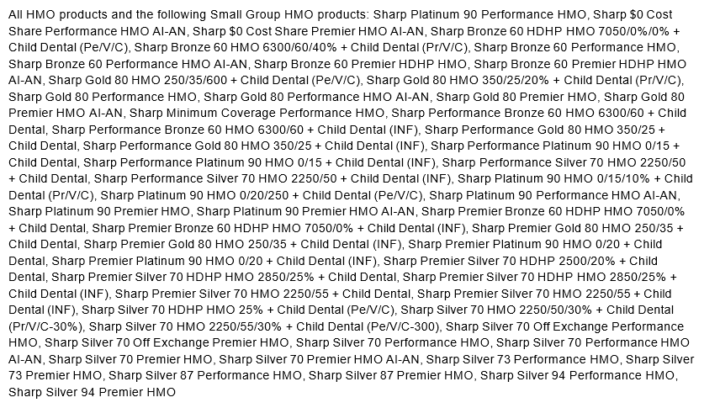
2026 EXCHANGE FORMULARY CHANGES BY QUARTER. CHANGES APPLY TO"

