Introduction
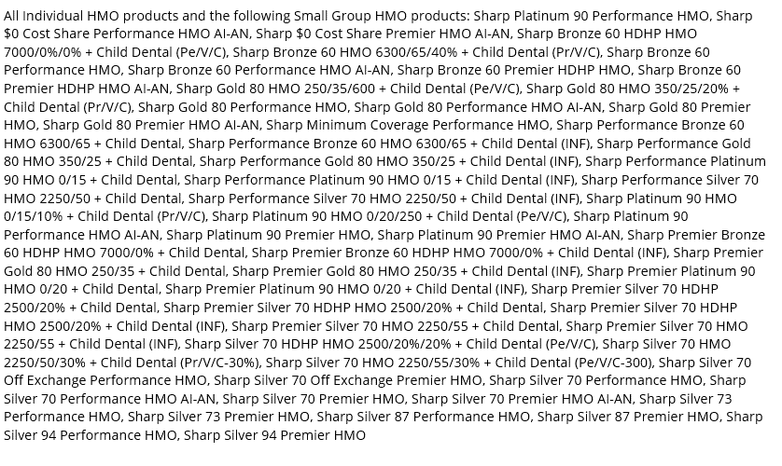


2022 EXCHANGE FORMULARY CHANGES BY MONTH. CHANGES APPLY TO:

